Sheet1
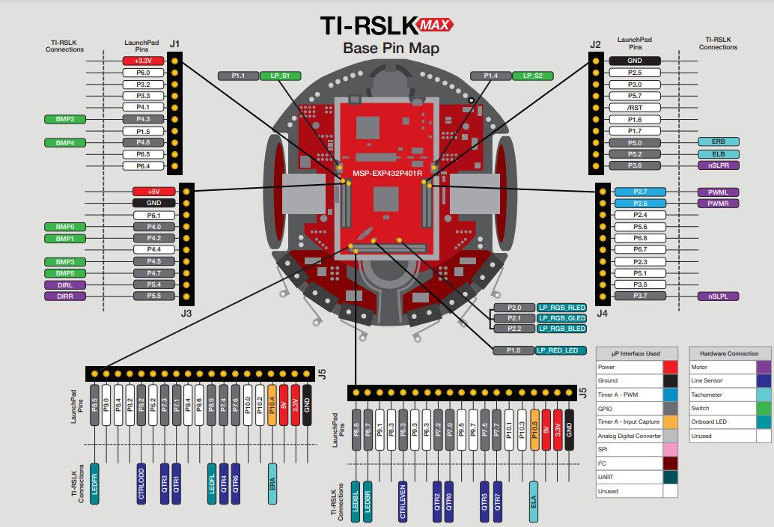
Pin | Assignment | Pin Map Location
1 |  | https://www.ti.com/lit/ml/sekp171/sekp171.pdf?ts=1645066239153
2
3
4
5
6
7
8
9
10
11
12
13
14
15
16
17
18
19
20
21
22
23
24
25
26
27
28
29
30
31
32
33
34
35
36
37
38
39
40

